Selections Arrange by HPMS
Motorcycle | Gasoline | 10

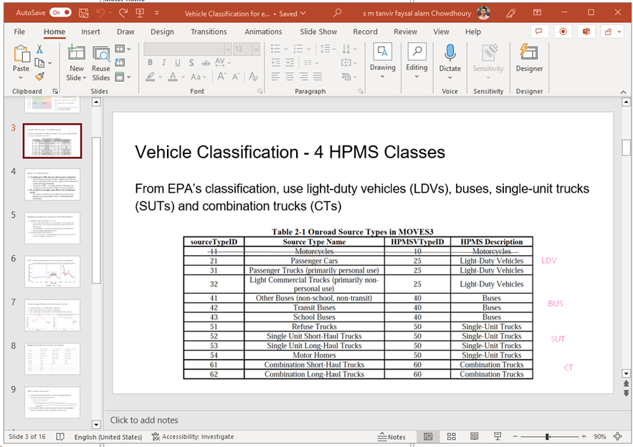
Passenger Car | Diesel Fuel | 21
 | Electricity
 | Ethanol (E-85)
 | Gasoline

Passanger Truck | Diesel Fuel | 31
 | Electricity |  | LDV
 | Ethanol (E-85)
 | Gasoline

Light Commertial Truck | Diesel Fuel | 32
 | Electricity
 | Ethanol (E-85)
 | Gasoline

Other Buses | Compressed natural Gas (CNG) | 41
 | Diesel Fuel
 | Gasoline

Transit Bus | Compressed natural Gas (CNG) | 42
 | Diesel Fuel |  |  | Buses
 | Gasoline

School Bus | Compressed natural Gas (CNG) | 43
 | Diesel Fuel
 | Gasoline

Refuse Truck | Compressed natural Gas (CNG) | 51
 | Diesel Fuel
 | Gasoline

Single Unit Short-haul Truck | Compressed natural Gas (CNG) | 52 | HDV
 | Diesel Fuel
 | Gasoline

Single Unit Long-haul Truck | Compressed natural Gas (CNG) | 53 |  | SUT
 | Diesel Fuel
 | Gasoline

Motor Home | Compressed natural Gas (CNG) | 54
 | Diesel Fuel
 | Gasoline

Combination Short-haul Truck | Compressed natural Gas (CNG) | 61
 | Diesel Fuel
 | Gasoline |  |  | CT

Combination Long-haul Truck | Diesel Fuel | 62

Vehicle Type according SourceID
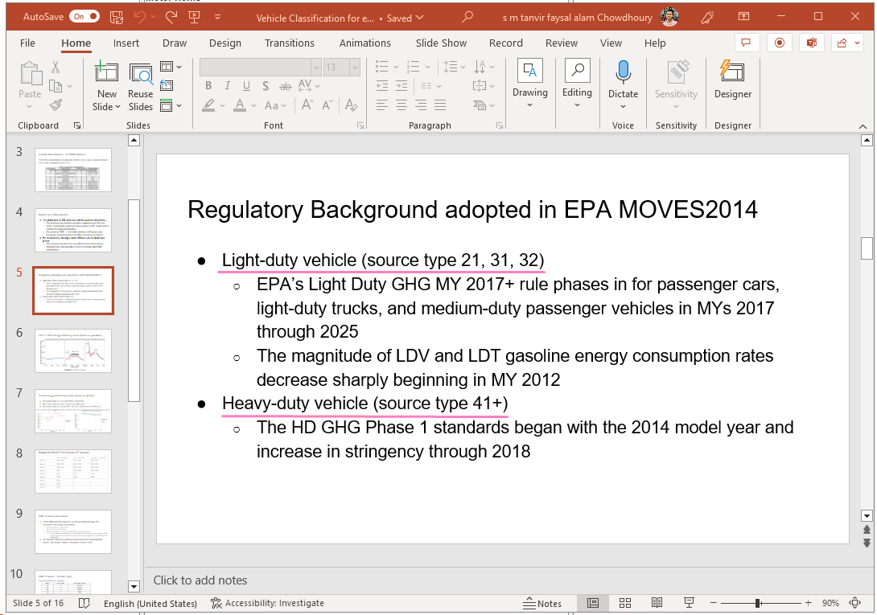

Source Type ID
21,31,32 | Light Duty Vehicle (LDV)
41+ | Heavy Duty Vehicle

FuelTypeDescription
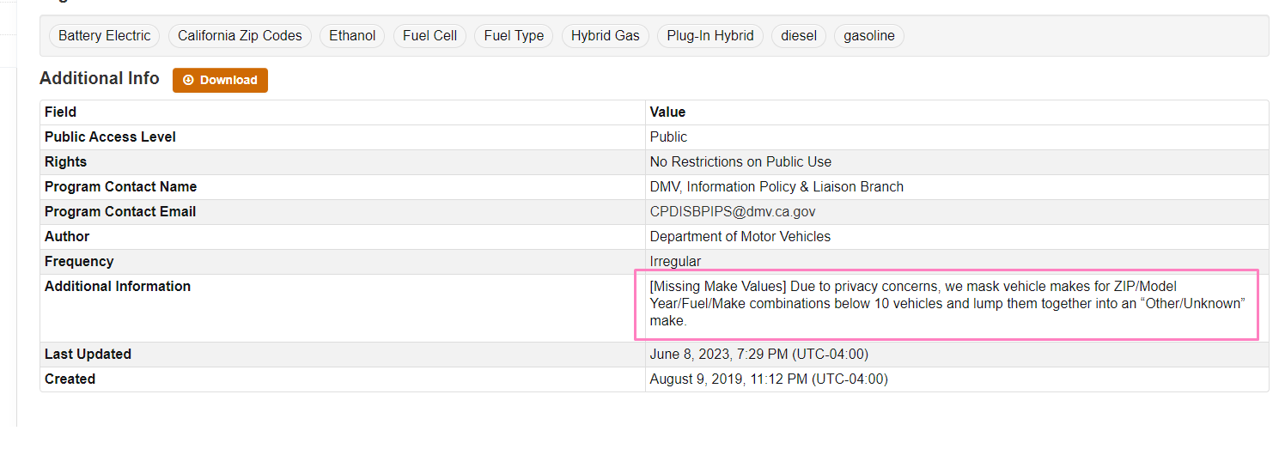
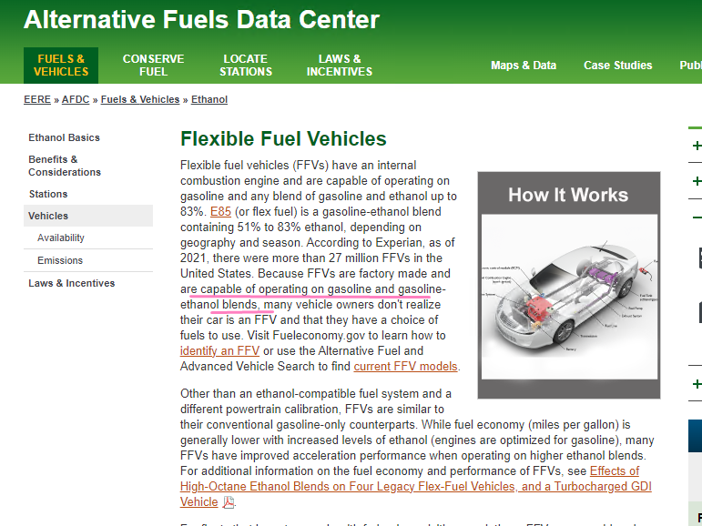
FuelType | Definition
Plug-in Hybrid | It will drive you around town on electricity alone but also has a fuel-efficient gasoline engine married to an electric motor. So, how does a plug-in hybrid actually work? Read on to find out.
Flex-Fuel | Flexible fuel vehicles (FFVs) have an internal combustion engine and are capable of operating on gasoline and any blend of gasoline and ethanol up to 83%. E85 (or flex fuel) is a gasoline-ethanol blend containing 51% to 83% ethanol, depending on geography and season. According to Experian, as of 2021, there were more than 27 million FFVs in the United States. Because FFVs are factory made and are capable of operating on gasoline and gasoline-ethanol blends, many vehicle owners don't realize their car is an FFV and that they have a choice of fuels to use.
 | Alternative Fuels Data Center: Flexible Fuel Vehicles (energy.gov)

Hybrid Gasoline | “hybrid” refers to a vehicle that combines electric power with another form of power – usually a gasoline engine
Hydrogen Fuel Cell | https://afdc.energy.gov/vehicles/how-do-fuel-cell-electric-cars-work
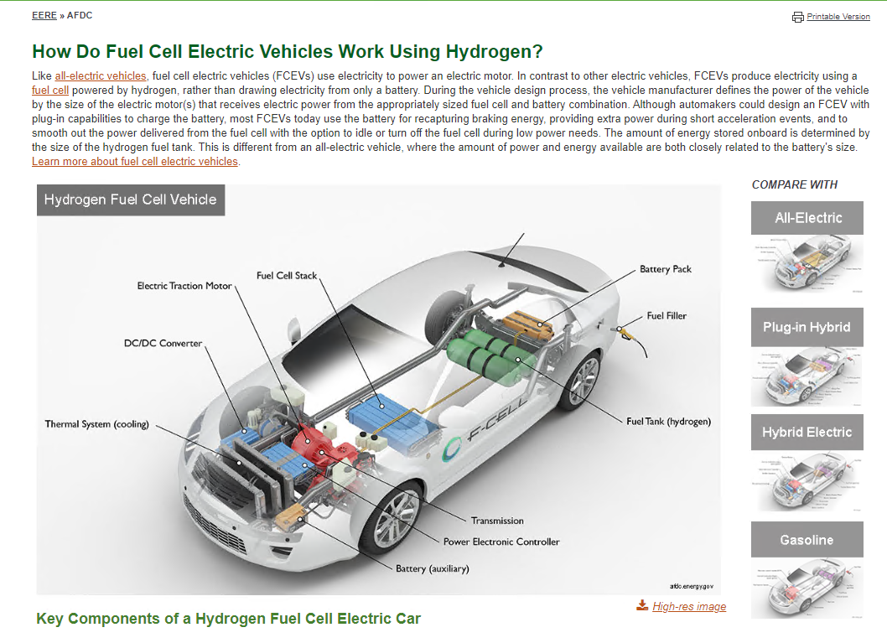

Other | Vehicle Fuel Type Count by Zip Code - Datasets - California Open Data

Fuel Formulation Table
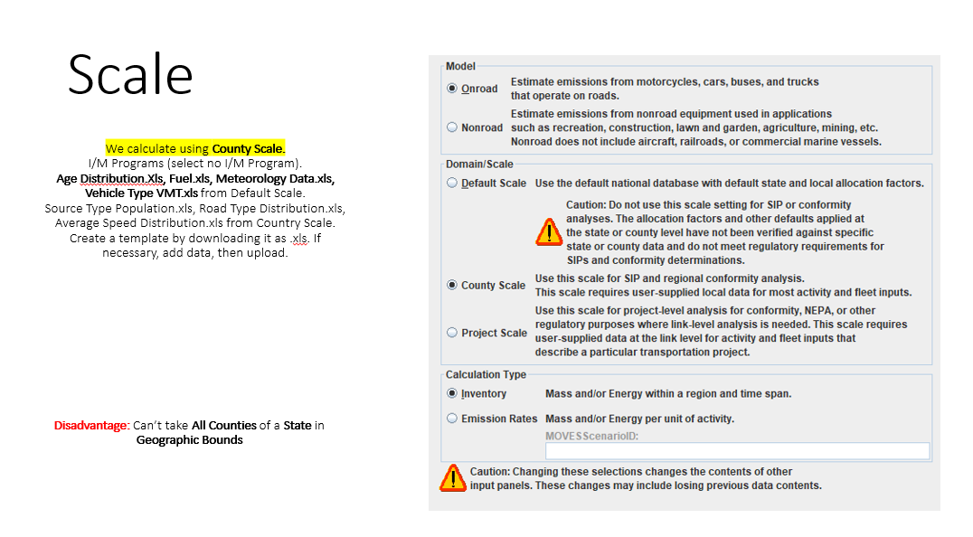
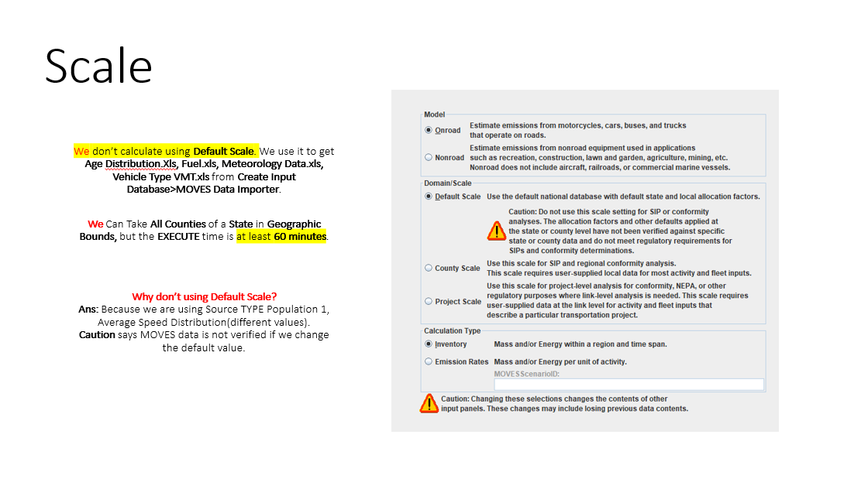
Fuel Formulation Table

 | We create Template in .xls from Default scale and Upload it in MOVES County Data Manager Fuel section in county Scale.

